Instructions
 | STEM Catalyst Fund
 | Grant Application Budget Instructions

 | PLEASE READ THESE INSTRUCTIONS FIRST
▪ | Fill in ONLY green fields on worksheet; light blue areas will autocalculate.
▪ | Provide salary requests only for the period May 16 - Aug 15, 2019.
▪ | Funds are available only for tenured, tenure-track, and non-tenure track faculty.
▪ | Grant budget must be itemized by expense category and details given (no lump sums please).
▪ | Please do not alter or add budget categories. There is a flexible category for "other items" and space for comments at the bottom of the form if needed.
▪ | Rows can be inserted within existing categories as needed, i.e., for additional faculty, graduate students, and hourly student wage or salary. Check summation to be sure values from added rows are included.
▪ | Be sure to enter names of each faculty member on the project. You may not have faculty personnel who are "TBD."
▪ | Faculty salaries: Enter the per-month salary of each faculty member who will be working on the project during the summer. To calculate the monthly rate, divide the annual contract amount by the number of months in the contract term.
▪ | Benefit rates are calculated automatically.
▪ | Grant funds to support GA stipend and tuition- Please indicated total stipend amount for GA (benefits will auto calculate). To request tuition support from the STEM grant, you must complete the appropriate sections in rows 43-46. If the tuition is being funded through another source you must complete the appropriate sections in rows 51-54. Include approval from other source of funding with your budget submission.
▪ | Process for funding GA awards: The PI's department must initiate the GA contract for the GA, leaving blank the funding source for stipend and benefits and grant covered tuition. If the tuition is being funded through another source you must include those fund numbers on the GA contract. The PI's department will then forward the original GA contract bearing all signatures to the STEM Catalyst Fund for assignment of funding source. STEM Catalyst will then submit the original documents to HR and the Office of Graduate Academic Affairs as per university procedures.
▪ | Please indicate individual student salaries on separate rows so it is clear how many students will be supported.
▪ | Process for funding Student Workers (both Undergraduate and Graduate Students who are not GAs): The PI's department must initiate the "Handshake" process to hire your student worker, charging the department's fund number. Upon receipt of budget detail showing expenses incurred for the student worker during the grant period, the STEM Catalyst Fund will initiate a transfer to the department to reimburse the department for the costs of wages and benefits on the student worker(s) up to the amount that was awarded by the grant. Note that the department will be responsible for any costs incurred beyond the grant award.
▪ | Provide a brief narrative explanation of Supplies, Materials, and Equipment needed for the project.

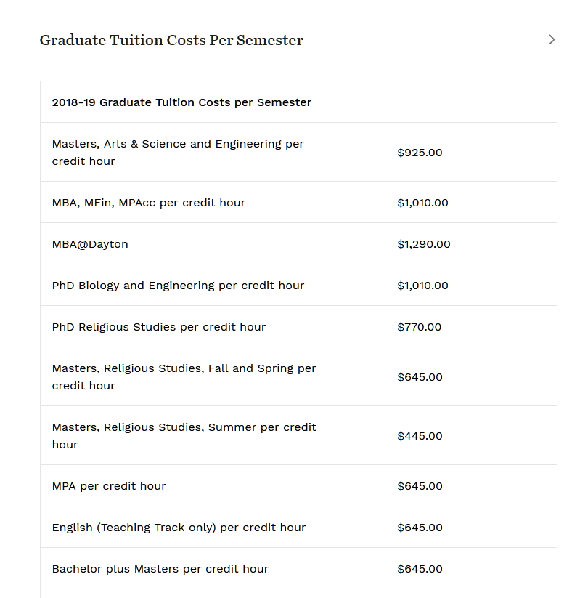

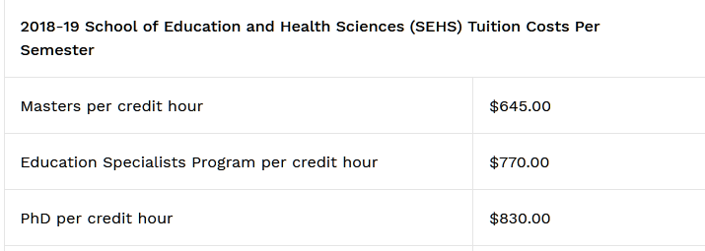

 | rev. 2018-09-27

